Closure Summary
Rev.2X-A36 Closure Summary
Current gate: actual supplier properties and guaranteed numerical fits. Detailed CAD remains blocked until A36R1 and A37.

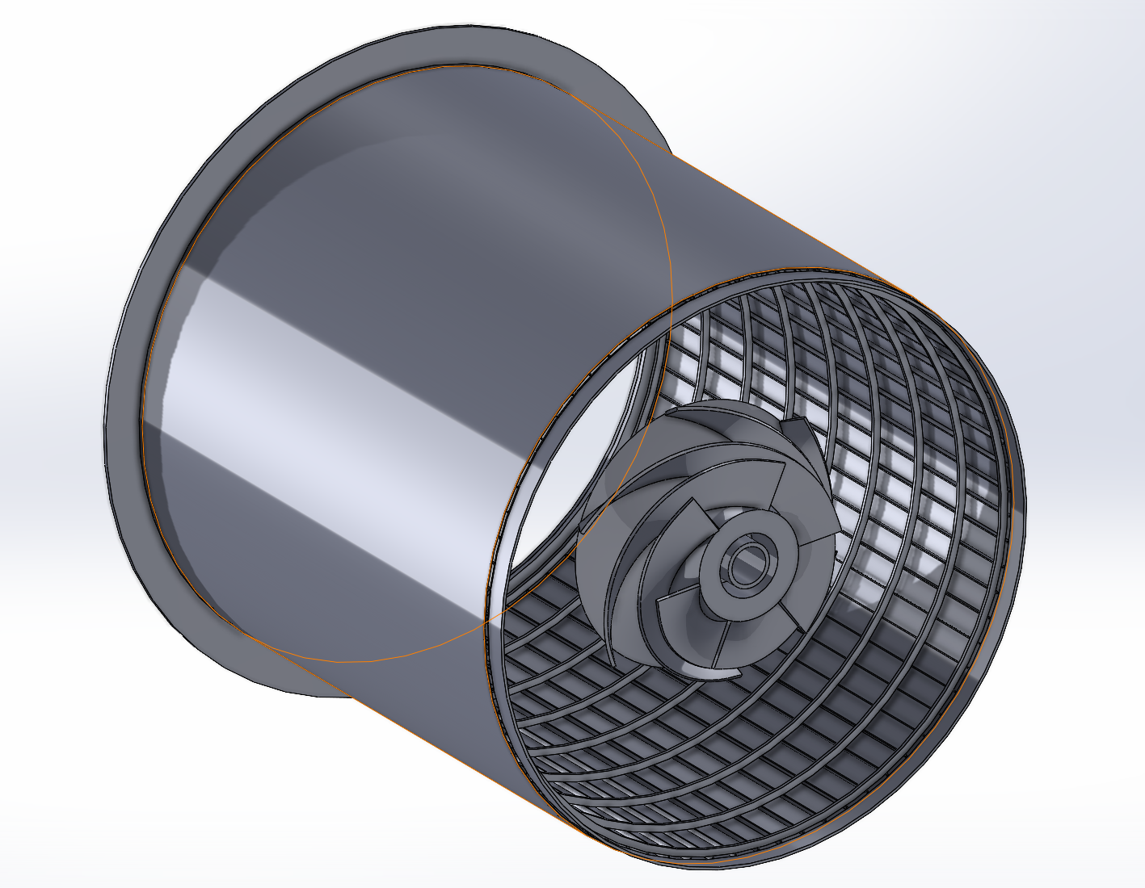
Project assembly | Full Integration Assembly Rev.2U-A8.SLDASM
Configuration | Default, 7/7 resolved
Selected architecture | D6 round + D6 diamond/relieved pull dowel, PCD58
Current overall result | HOLD - enter supplier evidence

Gate | Acceptance basis | Supplier A | Supplier B | Supplier C
Supplier | Name entered on input sheet | Supplier A | Supplier B | Supplier C
Insert property | Certified Sy >= 379.310 MPa | HOLD | HOLD | HOLD
Pin tensile property | Certified Sy >= 1,046.259 MPa | HOLD | HOLD | HOLD
Pin shear property | Available shear yield >= 603.691 MPa | HOLD | HOLD | HOLD
Supplier-property gate | All property checks PASS | HOLD | HOLD | HOLD
Retention fit | Authorized positive interference band | HOLD | HOLD | HOLD
Round working fit | Guaranteed clearance 0.000 to 0.050 mm | HOLD | HOLD | HOLD
Diamond tangential fit | Guaranteed clearance 0.000 to 0.050 mm | HOLD | HOLD | HOLD
Diamond radial relief | >= 0.100 mm | HOLD | HOLD | HOLD
Position | Worst pin-axis error <= 0.050 mm | HOLD | HOLD | HOLD
Pull service | Controlled feature and tool OD <= 12 mm | HOLD | HOLD | HOLD
Numerical-fit gate | All fit checks PASS | HOLD | HOLD | HOLD
A36 closure | Property and numerical-fit gates PASS | HOLD | HOLD | HOLD
Mechanical release | A36 plus corrosion, wear and approvals | HOLD | HOLD | HOLD
Next action | Action generated from candidate status | Obtain missing certificate and guaranteed drawing inputs | Obtain missing certificate and guaranteed drawing inputs | Obtain missing certificate and guaranteed drawing inputs

Locked limits | Value | Unit | Notes
Insert certified yield floor | 379.310 | MPa | A35 environmental-debited requirement
Pin tensile yield floor | 1046.259 | MPa | Equivalent to the required shear floor
Pin shear-yield floor | 603.691 | MPa | No equal-load sharing credited

Working clearance ceiling | 0.050 | mm | Round and diamond tangential fits
Diamond radial-relief minimum | 0.100 | mm | Guaranteed minimum
Pin-axis position-error ceiling | 0.050 | mm | Worst one-sided linear error at PCD58
Individual pull-tool OD ceiling | 12.000 | mm | Combined D70 envelope retains 53 mm radial gap

Release rule
A36 HOLD | Collect certified supplier properties, guaranteed dimensions and authorized interference limits. Do not create detailed CAD.
A36 PASS | Prepare A36R1 report, then proceed to A37 controlled drawing-input release. Galvanic and wear evidence remains mandatory.

